Stock water demand calculator
Peak daily water demand calculation, based on stocking levels.

Part 1

 | Stock type | Livestock numbers (peak) | Rate (Litres per day) | Peak daily demand
 | Dry cattle (up to 500kg) | 0 | 45.00 | 0
 | Dry sheep | 0 | 7.00 | 0
 | Lactating cows | 0 | 70.00 | 0
 | Mature pigs | 0 | 15.00 | 0
 | Working horses | 0 | 70.00 | 0
 | Grazing horses | 0 | 45.00 | 0
 | Dry cattle over 500kg | 0 | 65.00 | 0
 | Lactating Cows | 0 | 70.00 | 0
 | Wash down of concrete (m2) | 0 | 15.00 | 0
 |  |  | Total litres per day | 0
 |  |  | Peak demand period | 4 hrs | (nearly always 4 hours)
 |  |  | Peak demand flow rate | 0.0 L/sec

Part 2

 | Calculate required pump head (pressure in metres) :
 | Static head (elevation in m from water level to highest location of the system) |  | 100 | Metres
 | Pipe friction total m (calculated from tables below, based on peak demand flow rate) |  | 23.4 | Metres
 | End pressure (pressure for float valve in trough) |  | 10 | Allow 10 metres
 | Sundry losses (suction, around pump and fittings) |  | 5 | Allow 5 metres
 | Total pump duty required (Litres/second) | 0.0 L/sec | @ 138.4 m head
 | Or in kilopascal (kPa) | 0.0 L/sec | @ 1358kpa
 | Or in pounds per square inch (PSI) | 0.0 L/sec | @ 201psi

Instructions for calculating friction loss (using the below tables):
1. Look up the peak demand flow rate (calculated in part 1) in litres per second (L/s) in the far left column of the relevant table below (note that Rural Class B 'Greenline' pipe is most commonly used for stock water).
2. In the row at the top of the relevant table below, look up the size of pipe you intend to use.
3. The value of the cell intersected by the L/s row and pipe size column details the pressure friction loss in metres per 100m of pipe.
4. Multiply this value by the length of pipe and then divide by 100 to ger the pipe friction loss.

Worked example (for further detail please see 'Worked example and diagram' tab)
To calculate the friction loss of a 0.6 L/s peak demand flow rate being supplied through 300m of 1" Rural Class B pipe.
1. Using the friction loss table below for Rural Class B pipe, a peak demand flow rate of 0.6 L/s incurs a pressure friction loss of 7.8m per 100m of pipe.
2. To calculate the total pipe friction loss: 7.8 x 300 / 100 = 23.4m
3. Total pipe friction loss for a 300m pipeline = 23.4m
Click here for further detail and a diagram

'Blueline' pipe |  | 'Greeline' pipe
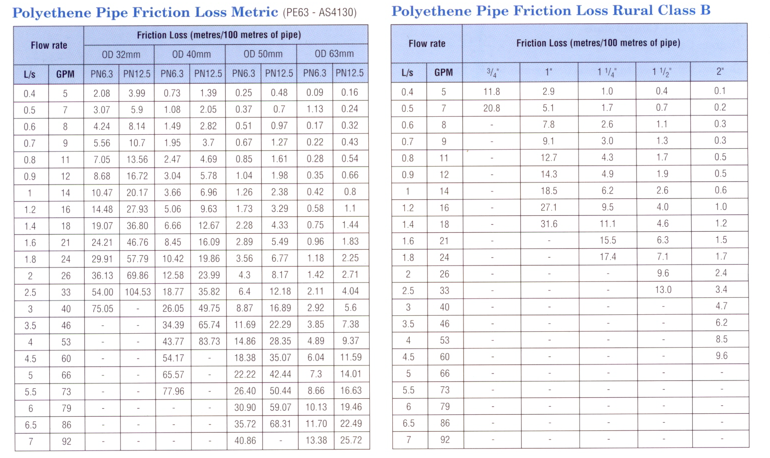

Worked example and diagram
Worked example: Calculating static head and friction losses
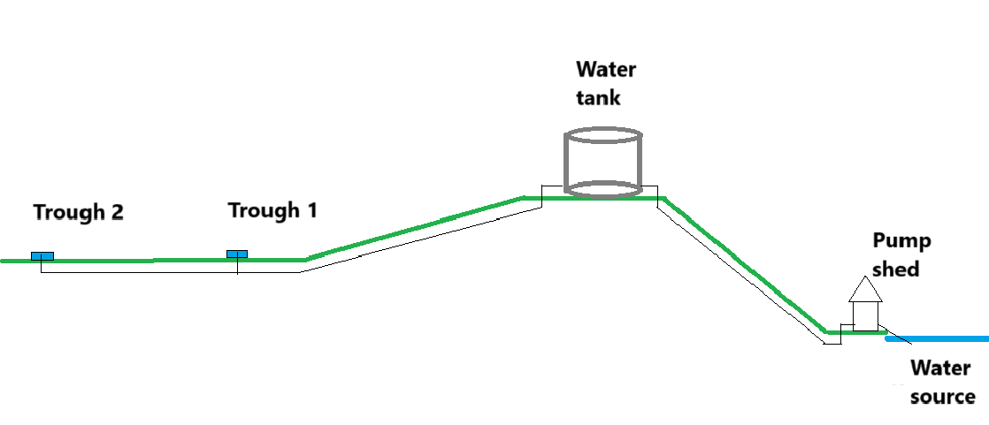

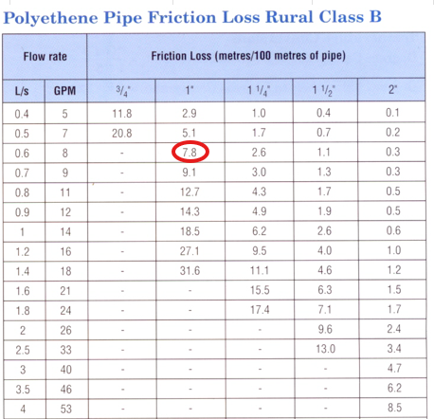

Location | Elevation (AHD), meters (m) above sea level | Distance from water source
Water source | 100m | -
Water tank | 200m | 300m
Trough 1 | 50m | N/A
Trough 2 | 50m | N/A

 | Calculation
Static head required (m) | elevation at water tank (m) – elevation at water source (m) = static head required (m) | 200m – 100m = 100m
Total pipe friction loss (m) | Pressure friction loss (m) x total length of pipeline (m) / 100 | 7.8 x 300m / 100 = 23.4m

Conclusion:
1. At a peak flow rate of 0.6 L/s, flowing through 300m of 1" pipe there will be a pressure friction loss of 7.8m of head per 100m of pipeline.
2. The total pipe friction loss will be 23.4m of head for 300m of pipeline.

Return to the stock water demand calculator

